Bug1
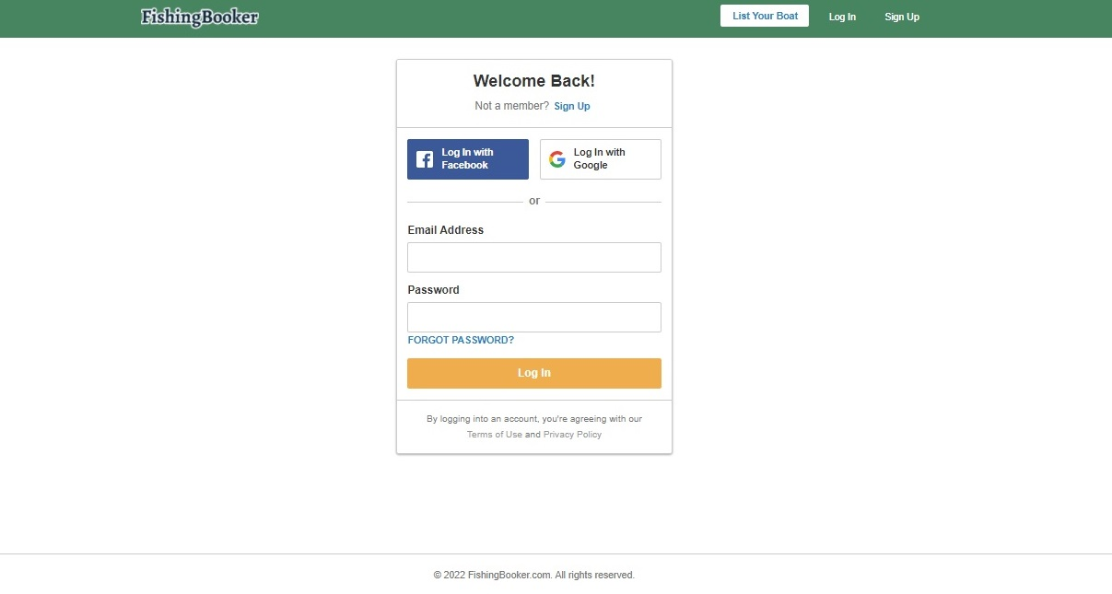
Bug Report
Author | Nikola | Priority | critical
Bug ID | 1 | Severity | high
Bug Name | Sign in with Facebook doesn’t work
Description | Sign In with Facebook button is not clickable and pop-up window with Sign In instructions doesn’t show up
Precondition | On https://qahiring.dev.fishingbooker.com/ log in with provided credentials for qa env
Steps to reproduce
Step # | Steps
1 | Click on List Your Boat button
2 | Click on Sign In
3 | Click on Log in with Facebook
 | Expected result | Pop-up window is opened with Log In with Facebook instructions
 | Actual result | Nothing happens

Bug3
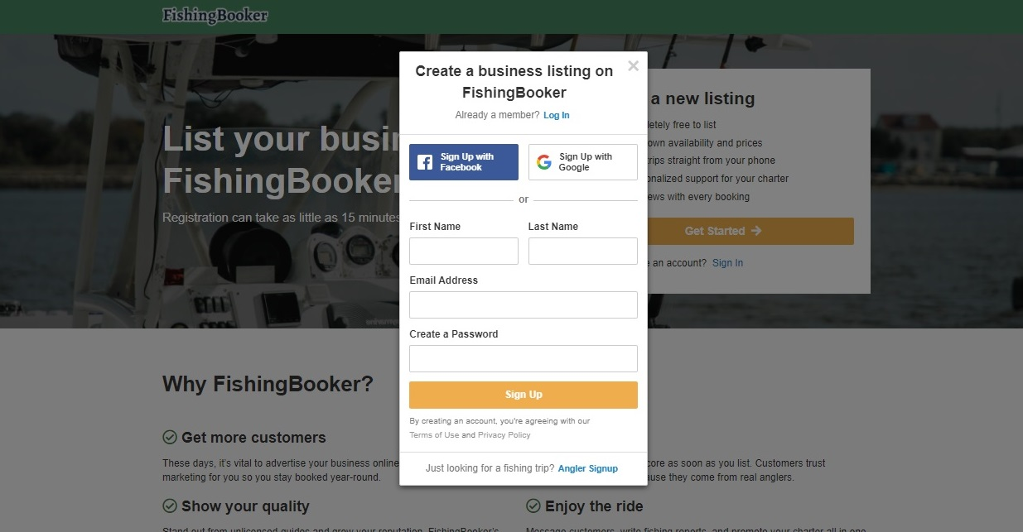
Bug Report
Author | Nikola | Priority | high
Bug ID | 3 | Severity | medium
Bug Name | Sign Up with Google doesn’t work
Description | Sign Up with Google button is not clickable and pop-up window with Sign Up instructions doesn’t show up
Precondition | On https://qahiring.dev.fishingbooker.com/ log in with provided credentials for qa env
Steps to reproduce
Step # | Steps
1 | Click on List Your Boat button
2 | Click on Get Started button
3 | Click on Sign Up with Google
 | Expected result | Pop-up window is opened with Sign Up with Google instructions
 | Actual result | Nothing happens

Bug5
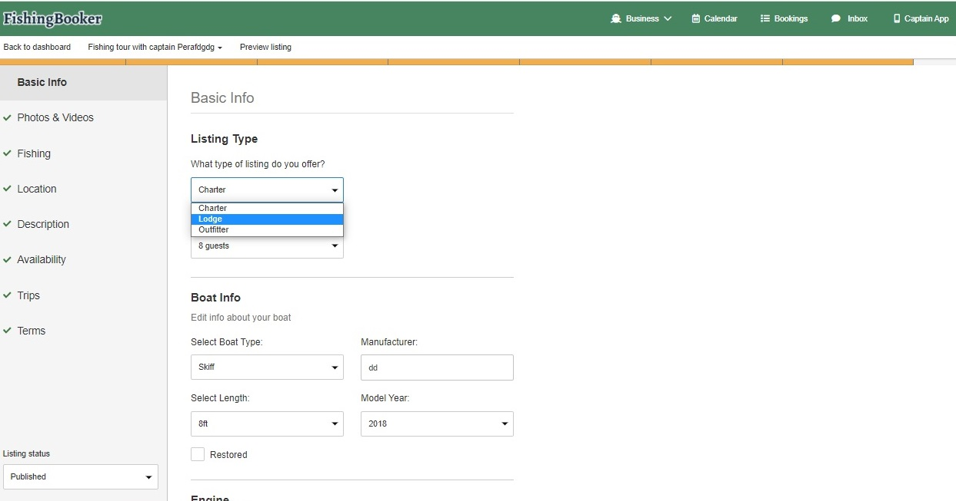
Bug Report
Author | Nikola | Priority | high
Bug ID | 5 | Severity | high
Bug Name | In List Your Boat flow What type of listing do you offer dropdown is unresponsive
Description | Can't choose different option from dropdown menu in What type of listing do you offer except Charter
Precondition | 1. On https://qahiring.dev.fishingbooker.com/ log in with provided credentials for qa env 2. On home page click on List Your Boat button and Sign Up with valid credentials
Steps to reproduce
Step # | Steps
1 | In Listing Type for What type of listing do you offer dropdown select: Lodge
 | Expected result | In What type of listing do you offer dropdown is shown and Lodge is selected
 | Actual result | Can't switch between options

Bug6
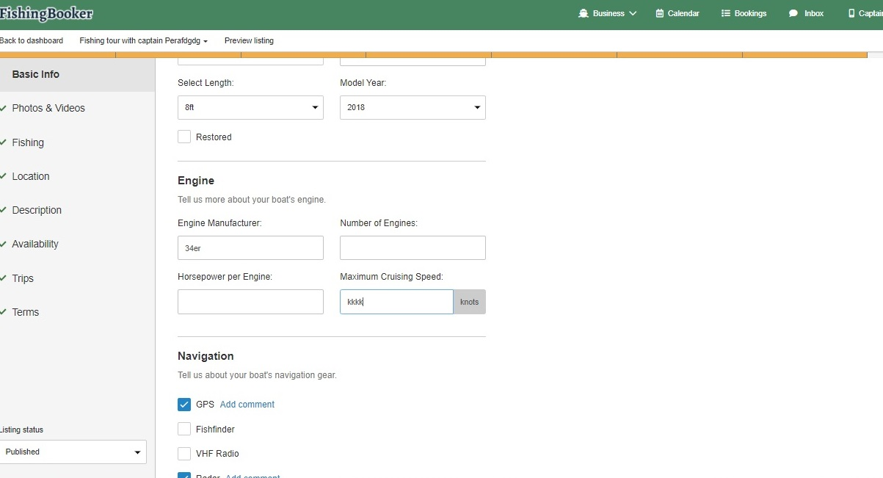
Bug Report
Author | Nikola | Priority | medium
Bug ID | 6 | Severity | high
Bug Name | In List Your Boat flow Maximum crusing speed box does not except numbers
Description | Maximum crusing speed box does not accept numbers instead accepts letters and special characters
Precondition | 1. On https://qahiring.dev.fishingbooker.com/ log in with provided credentials for qa env 2. On home page click on List Your Boat button and Sign Up with valid credentials
Steps to reproduce
Step # | Steps
1 | In Engine in Maximum Crusing Speed box type: 70
 | Expected result | Maximum Crusing Speed box is populated with: 70
 | Actual result | Can't type numbers

Bug7
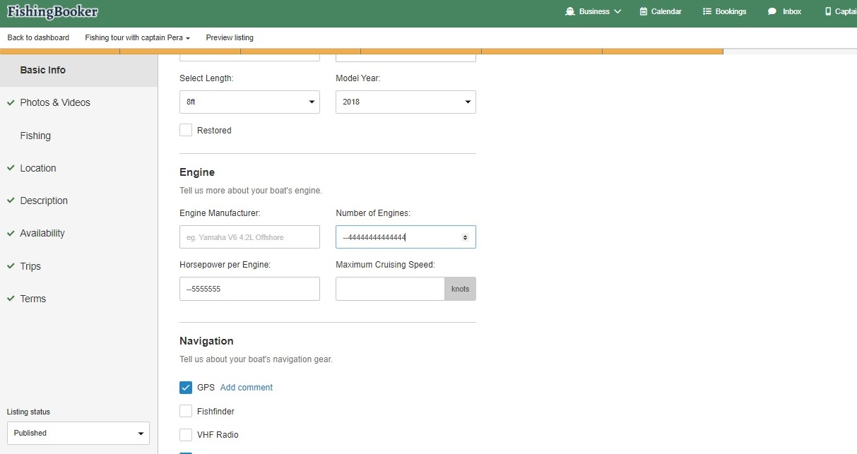
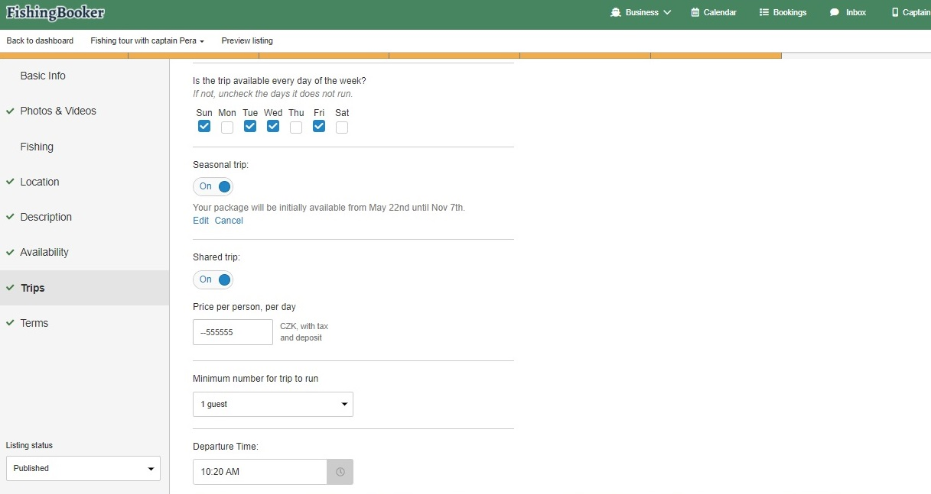
Bug Report
Author | Nikola | Priority | medium
Bug ID | 7 | Severity | low
Bug Name | In List Your Boat flow Number of Engines box input accepts incorrect charts
Description | When in Number of Engines box is typed "--" or "-+" or "++" it allows you to input more then two numbers
Precondition | 1. On https://qahiring.dev.fishingbooker.com/ log in with provided credentials for qa env 2. On home page click on List Your Boat button and Sign Up with valid credentials
Steps to reproduce
Step # | Steps
1 | In Engine in Number оf Engines box type: --5555555
 | Expected result | Only positive integers with max length 2 can be inserted
 | Actual result | Number оf Engines box is populated with: --5555555
 | Notice: | This bug occurs also for List Your Boat flow in Horsepower per Engine (Basic info - Engine) and Price per person/trip (Trips - Add new Fishig trip)

Bug8
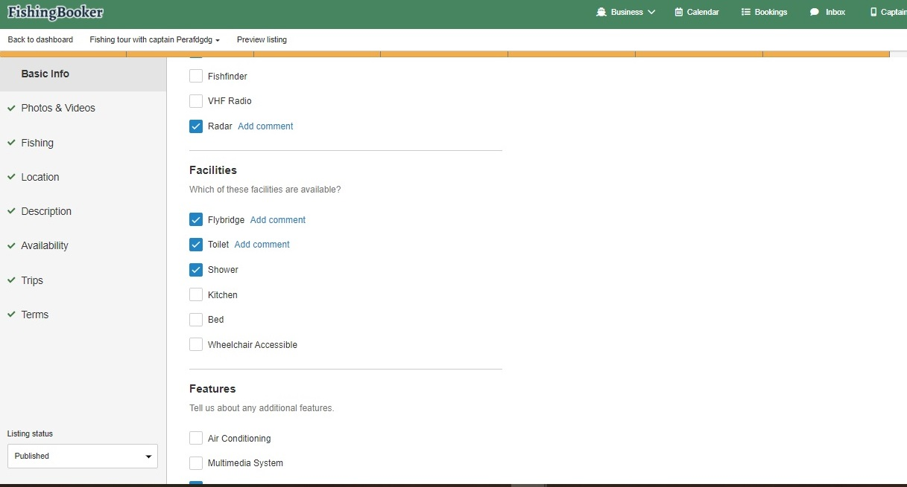
Bug Report
Author | Nikola | Priority | medium
Bug ID | 8 | Severity | medium
Bug Name | In List Your Boat flow Comment box for Shower checkbox doesn’t show
Description | When Shower checkbox is checked and Add comment link is clicked, comment section doesn’t show up instead Add comment link disappears
Precondition | 1. On https://qahiring.dev.fishingbooker.com/ log in with provided credentials for qa env 2. On home page click on List Your Boat button and Sign Up with valid credentials
Steps to reproduce
Step # | Steps
1 | In Facilities check Shower checkbox
2 | Click Add comment for Shower checkbox, and type - Small shower cabin
 | Expected result | Text box for Shower checkbox is opened and text - Small shower cabin - is typed in
 | Actual result | Add comment option disappears when clicked on
 | Notice: | This bug occurs for every checkbox on this page (Basic info)

Bug9
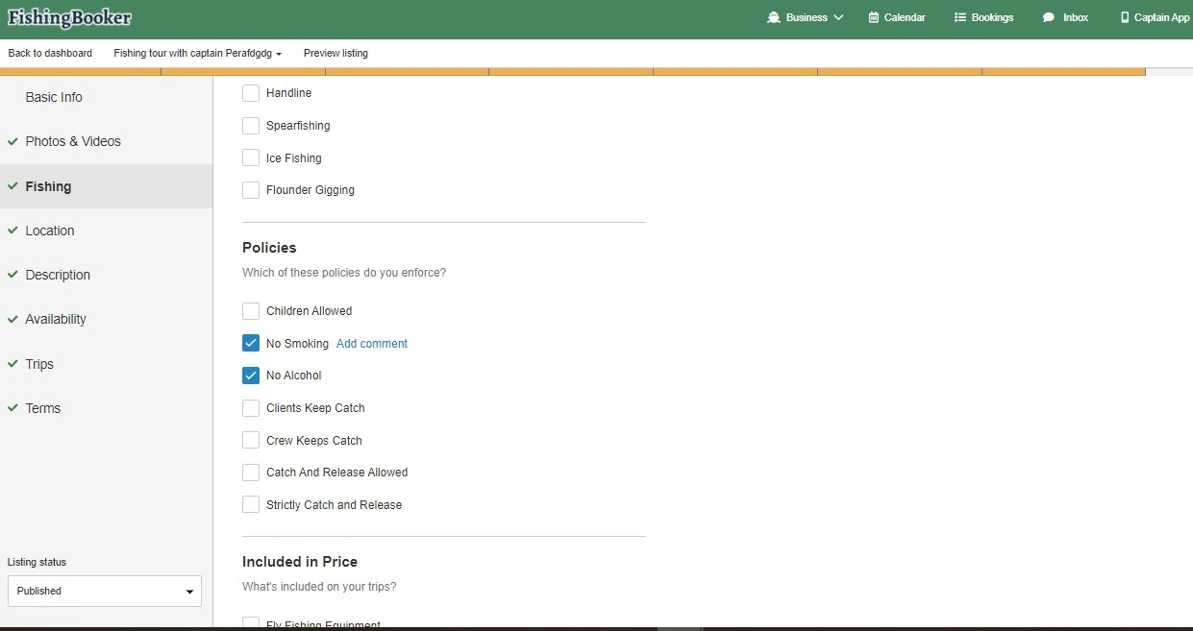
Bug Report
Author | Nikola | Priority | medium
Bug ID | 9 | Severity | medium
Bug Name | In List Your Boat flow Comment box for No Alcohol checkbox doesn’t show
Description | When No Alcohol checkbox is checked and Add comment link is clicked, comment box doesn’t show up instead Add comment link disappears
Precondition | 1. On https://qahiring.dev.fishingbooker.com/ log in with provided credentials for qa env 2. On home page click on List Your Boat button and Sign Up with valid credentials 3. Basic info page is filled out and Next button is clicked 4. Photos and Videos page is filled out and Next button is clicked
Steps to reproduce
Step # | Steps
1 | In Policies check No Alcohol checkboxes
2 | Click Add comment for No Alcohol checkbox, and type: Only 0% beer is allowed
 | Expected result | Text box for No Alcohol checkbox is opened and text - Only 0% beer is allowed - is typed in
 | Actual result | Add comment option disappears when clicked on
 | Notice: | This bug occurs for every checkbox on this page (Fishing)

Bug10
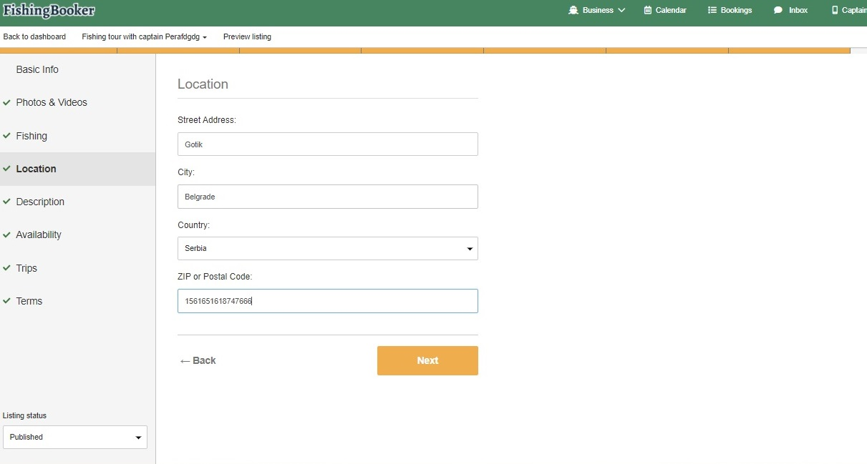
Bug Report
Author | Nikola | Priority | low
Bug ID | 10 | Severity | medium
Bug Name | Zip or Postal Code typebox allows you to type more then 10 characters
Description | Zip or Postal code box can take more than 10 characters and warning message for Maximum input of 10 characters does not show (Longest postal code in the world is 10 characters)
Precondition | 1. On https://qahiring.dev.fishingbooker.com/ log in with provided credentials for qa env 2. On home page click on List Your Boat button and Sign Up with valid credentials 3. Basic info page is filled out and Next button is clicked 4. Photos and Videos page is filled out and Next button is clicked 5. Fishing page is filled out and Next button is clicked
Steps to reproduce
Step # | Steps
1 | Click on Zip or Postal code box and type 1561651618747666
 | Expected result | Warning message appears - Maximum characters is 10
 | Actual result | Warning message does not appear

Bug11
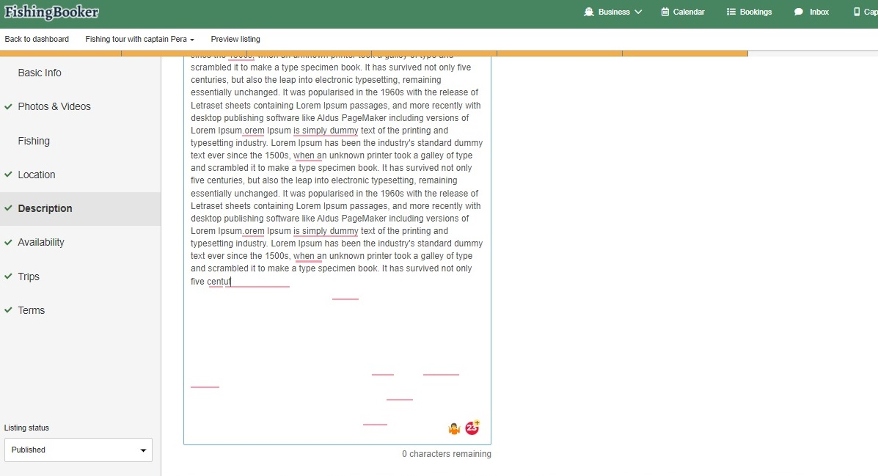
Bug Report
Author | Nikola | Priority | low
Bug ID | 11 | Severity | low
Bug Name | In List Your Boat flow Description box gets bigger
Description | When block of text is copied into description box after 0 characters remaining, description box gets bigger
Precondition | 1. On https://qahiring.dev.fishingbooker.com/ log in with provided credentials for qa env 2. On home page click on List Your Boat button and Sign Up with valid credentials 3. Basic info page is filled out and Next button is clicked 4. Photos and Videos page is filled out and Next button is clicked 5. Fishing page is filled out and Next button is clicked 6. Location page is filled out and Next button is clicked
Steps to reproduce
Step # | Steps
1 | Click on Add description to your listing
2 | Paste text with 2200+ characters in description box
 | Expected result | Description box fits to the size of 2000 characters
 | Actual result | 2000 characters are dispayed but description box size is extended to the size of 2200+ characters

